Act 2 Conditions 102-J(c)
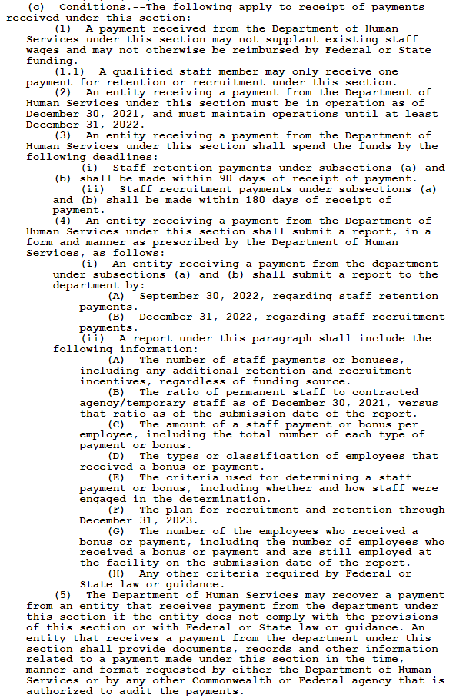
Excerpt from Act 2 of 2022

